Changing Capital Structure
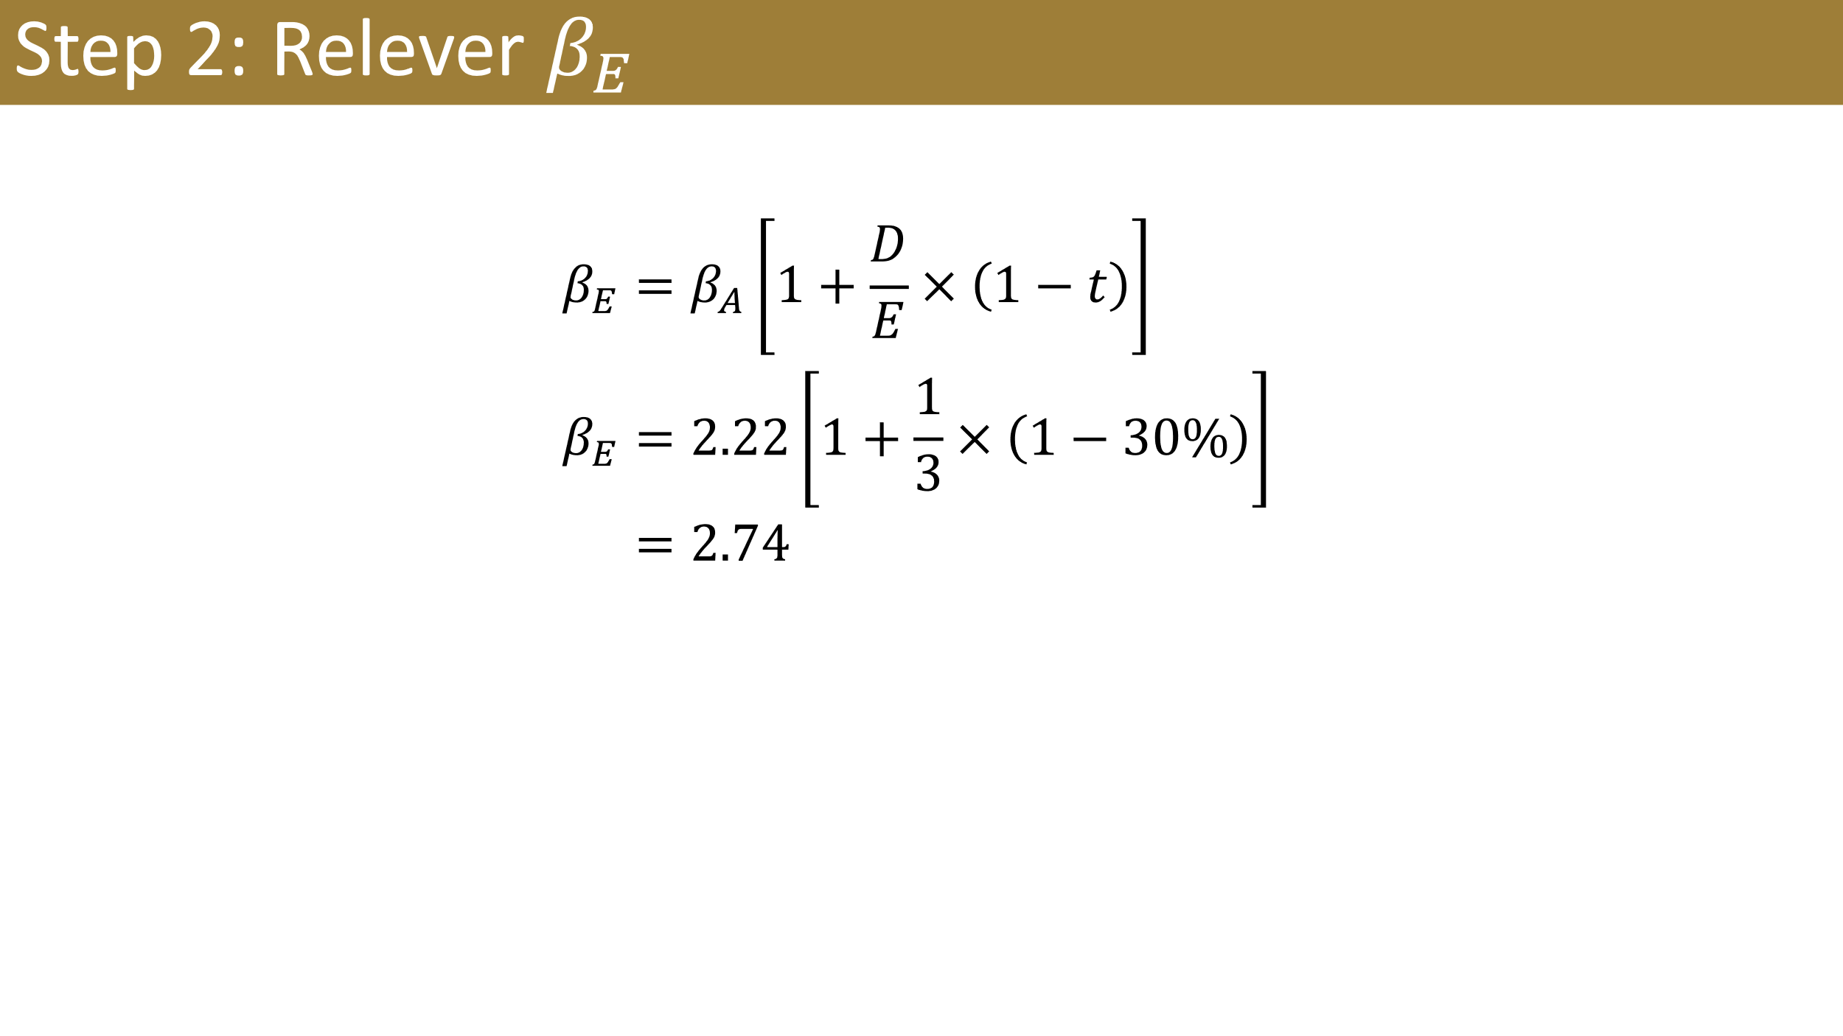
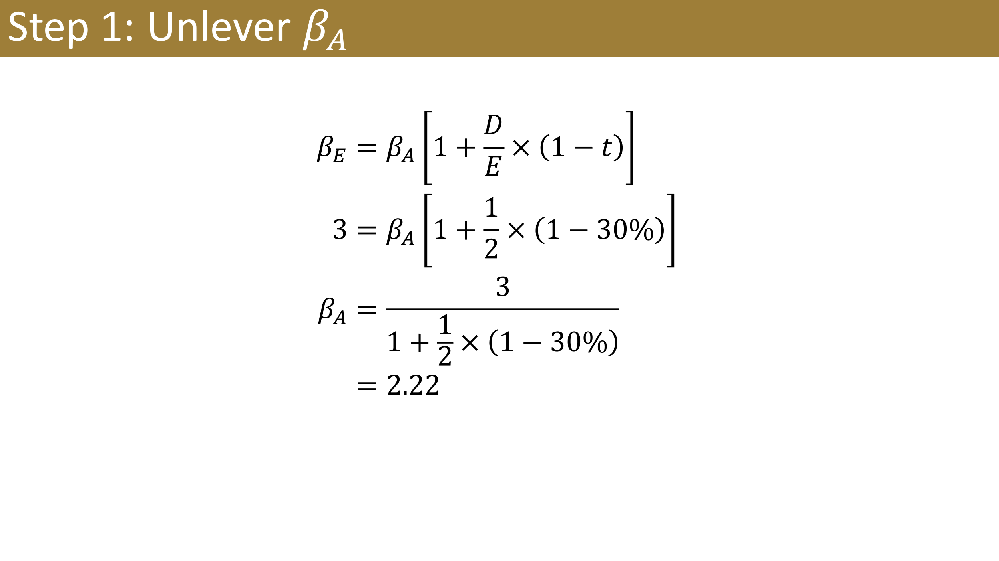
Old D/E | 0.5
New D/E | 0.33333333333
Risk-free rate | 1%
Market Risk Premium | 6%
Tax Rate | 30%

Old Equity beta | 3
Asset beta |  | #N/A
Equity beta |  | #N/A
Cost of Equity | 1.00% | =B4+B10*B5
Cost of Debt | 3%
Debt Weight | 25%
Equity Weight | 75% | =1-B13
WACC | 1.28% | =B13*B12*(1-B6)+B14*B11

